Sheet1
Woodworks Bookshelf.com
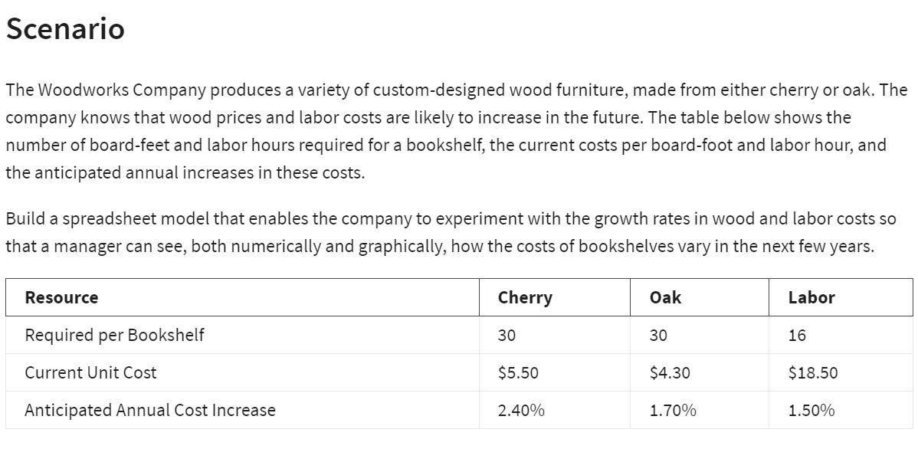

Solution:

Given | Material
 | Cherry | Oak
Required per Bookshelf | 30 | 30
Unit cost | $5.50 | $4.30
Total Cost | $165.00 | $129.00

Labor | Oak | cherry
Required | 16 | 16
unit cost | $18.50 | $18.50
Total Cost | $296.00 | $296.00

Total cost ( Material + Labor)
Oak | $461.00
Cherry | $425.00

Anticipated Cost Increase Annualy
Percentage increase annualy | 1.70% | 2.40% | 1.50%

Years | oak | cherry | Labor | Total Oak Cost | Total Cherry cost
1 | $131.19 | $168.96 | $300.44 | $431.63 | $469.40
2 | $133.42 | $173.02 | $304.95 | $438.37 | $477.96
3 | $135.69 | $177.17 | $309.52 | $445.21 | $486.69
4 | $138.00 | $181.42 | $314.16 | $452.16 | $495.58
5 | $140.34 | $185.77 | $318.88 | $459.22 | $504.65

Visualization

Woodworks Bookshelf.co - Cost Projections

